Attributes
Speaking | Writing | Listening | Reading | Pronounciation | Grammar | Type of Questions
Fluency | Proofreading | Listening/reading for detail | Listening/reading for detail | word and sentence stress | noun | Text
Grammar | Editing | Deducing meaning from context | Deducing meaning from context | intonation | pronoun | Video
Vocabulary | Summarising | Intensive listening/reading | Note-taking | rhythm | adjective | Audio
Pronounciation | Paraphrasing | Listening/reading for gist, global understanding | Skimming | individual sounds of a language | verb | Pictures
Inferring attitude | Topic sentence | Inferring attitude, feeling, mood | Proofreading |  | adverb | Conversation
feeling | Theme | Predicting | Editing |  | preposition
mood | Text structure |  | Listening/reading for gist, global |  | conjunction
Using interactive strategies | Paragraph |  | understanding |  | interjection
Summarising | Fluency |  | Inferring attitude, feeling, mood |  | tenses
Paraphrasing | Layout |  | Predicting
Theme |  |  | Scanning
Text structure
Fluency

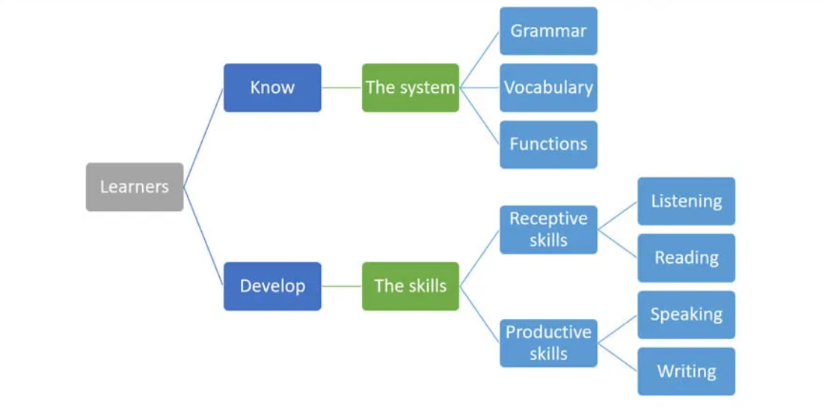

https://www.myenglishpages.com/blog/what-are-the-7-components-of-an-english-language-course/
https://languagelearning.stackexchange.com/questions/4662/what-are-the-components-of-english-language-teaching
Q&A
1 | how students language level is determined? | through external exam? teacher assigned or through ELL platform?
2 | Could student's level be determined through ELL platform by entering an exam: let me know more about you? However teacher has the final say of the level? But through this, the system already knows some information about the student: strong/weak area of language level
3

Tenses(example)
